EDA
Data Info
 | Recording | 正式实验2
 | Subject | 赵殿飞
 | Create Time | 2023-11-13 15:55:50.698
 | Data Name | Finger8 EDA
 | Data Type | EDA
 | Sample Rate | 64
 | Segment | 前静息态
 | Start Time | 0:01:32
 | End Time | 0:06:32
 | Duration | 0:05:00

Replay Chart
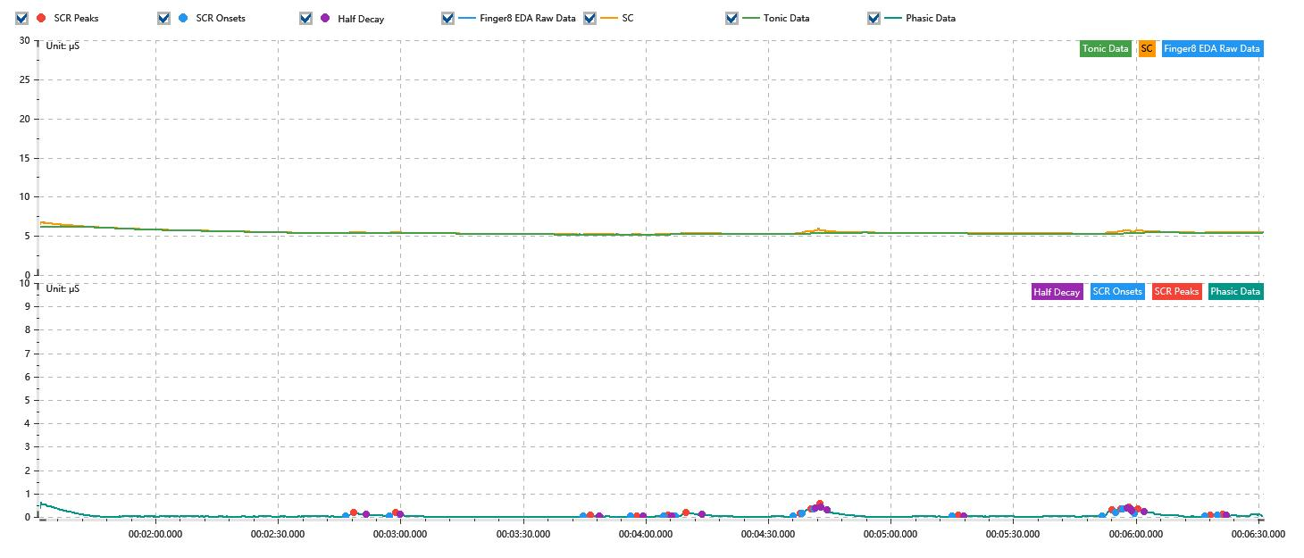

Process parameters
 | Filters
 | Smooth denoise | Enabled | 高斯 | 5(samples)
 | Lowpass filter | Enabled | 5μS
 | Skin Conductance Response
 | SCR extraction | Minimum SCR amplitude | 0.03μS
 | SCR extraction | Max rise time | 4s
 | SCR extraction | Max half decay time | 4s
 | SCR extraction | Peak dection sensitivity | 中
 | Event related activation | Window relative to event | 1s | 4s

Time Domain
 | Data | Mean | Max | Min | Std | Variance | Polar Distance | Data Length
 | SC | 5.46μS | 6.74μS | 5.18μS | 0.28μS | 0.08μS² | 1.57μS | 1200
 | Tonic | 5.4μS | 6.14μS | 5.17μS | 0.24μS | 0.06μS² | 0.97μS | 1200
 | Phasic | 0.06μS | 0.6μS | 0μS | 0.09μS | 0.01μS² | 0.6μS | 1200

SCR
 | OnsetTime | PeakTime | RiseTime | HalfDecayTime | Amp
 | 0.001927962963 | 0.0019511111111 | 2s | 3s | 0.17μS
 | 0.0020523842593 | 0.0020697453704 | 1.5s | 1s | 0.12μS
 | 0.0026021527778 | 0.0026224074074 | 1.75s | 2s | 0.04μS
 | 0.0027352546296 | 0.0027526157407 | 1.5s | 1.5s | 0.03μS
 | 0.0028278472222 | 0.0028423148148 | 1.25s | 0.75s | 0.04μS
 | 0.0028625694444 | 0.0028915046296 | 2.5s | 4s | 0.15μS
 | 0.0031953240741 | 0.0032155787037 | 1.75s | 3.75s | 0.12μS
 | 0.0032213657407 | 0.0032474074074 | 2.25s | 3.75s | 0.21μS
 | 0.0032531944444 | 0.0032705555556 | 1.5s | 0.25s | 0.24μS
 | 0.003646712963 | 0.0036640740741 | 1.5s | 1.25s | 0.04μS
 | 0.0040720601852 | 0.0040981018519 | 2.25s | 3.75s | 0.25μS
 | 0.0041096759259 | 0.0041241435185 | 1.25s | 2.75s | 0.14μS
 | 0.0041299305556 | 0.0041472916667 | 1.5s | 0.5s | 0.06μS
 | 0.0041617592593 | 0.0041733333333 | 1s | 1.5s | 0.2μS
 | 0.004361412037 | 0.0043787731481 | 1.5s | 3.75s | 0.07μS
 | 0.0043990277778 | 0.0044134953704 | 1.25s | 0.75s | 0.04μS

Event Related
 | Event Group | Event Name | Event Description | EventTime | SCRCount | Latency | AmpSum | SCL | Half Decay Time Avg. | Rise Decay Time Avg.
 | Custom | 前静息态采集开始 |  | 0.0010597388785 | 0 | 0s | 0μS | 6.14μS | 0s | 0s

